CENTER
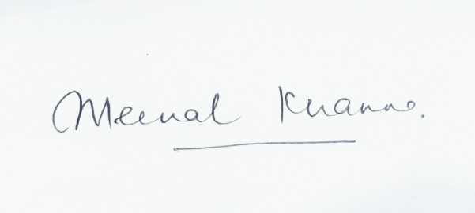
FINAL VALID NOMINATION LIST FOR IAP ELECTIONS 2020-2023
THE MODEL CODE OF CONDUCT IS APPLICABLE TO ALL CANDIDATES THROUGHOUT THE ELECTION PROCESS WHETHER CONTESTING OR UNOPPOSED

S No | NAME OF THE CANDIDATE | CONTESTING FOR THE POST OF

1 | Dr Sanjiv Jha | President | Contesting
2 | Dr Ruchi Varshney | President | Withdrawn
3 | Dr K Raja Senthil K | President | Contesting
4 | Dr Amit Kumar Bajpai | President | Contesting

5 | Dr Suresh Babu Reddy | Vice President | Unopposed
6 | Dr Prateek Sharma | Vice President | Withdrawn

7 | Dr Joji M John | CEC Gen Sec | Withdrawn
8 | Dr K M Annamalai | CEC Gen Sec | Contesting
9 | Dr Anand Mishra | CEC Gen Sec | Contesting
10 | Dr Ruchi Varshney | CEC Gen Sec | Withdrawn

11 | Dr Joji M John | CEC Treasurer | Withdrawn
12 | Dr Ruchi Varshney | CEC Treasurer | Unopposed
13 | Dr Jibu George Varghese | CEC Treasurer | Withdrawn
14 | DR K S I Murali Sankar | CEC Treasurer | Withdrawn
15 | Dr D Basil Jebaslin Durai | CEC Treasurer | Withdrawn

16 | Dr Arshad Hussain | CEC North Zone | Contesting
17 | Dr Mohammad Suhail | CEC North Zone | Contesting
18 | Dr Rajiv Aggarwal | CEC North Zone | Contesting
19 | Dr Piyush Jain | CEC North Zone | Contesting
20 | Dr Masarat Shafi | CEC North Zone | Contesting
21 | Dr Dharam Pani Pandey | CEC North Zone | Contesting
22 | Dr Brijesh Kapur | CEC North Zone | Contesting

23 | Dr Anjani Kumar | CEC South Zone | Contesting
24 | Dr B William Stanley | CEC South Zone | Contesting
25 | Dr O N Sudhakar | CEC South Zone | Contesting
26 | Dr Selvan C Thevar | CEC South zone | Contesting
27 | DR K S I Murali Sankar | CEC South Zone | Contesting
28 | Dr Rajan Samuel Appadurai | CEC South Zone | Contesting
29 | Dr Bharati Katarki | CEC South Zone | Contesting
30 | Dr M Prem Kumar | CEC South Zone | Contesting

31 | Dr Reshma Khurana | CEC Central Zone | Unopposed
32 | Dr Uma Sen Gupta | CEC Central Zone | Unopposed

33 | Dr Sudeep Hiralal Kale | CEC West Zone | Unopposed
34 | Dr Achal Vashi | CEC West Zone | Unopposed

35 | Dr Rishi Raj | CEC East Zone | Contesting
36 | Dr Suraj Kumar | CEC East Zone | Contesting
37 | Dr Alok Kumar | CEC East Zone | Contesting
38 | Dr.Dinesh Kumar Samujh | CEC East Zone | Contesting

39 | Dr Mani Kumar | CEC Joint Secretary South Zone | Contesting
40 | Dr C K Senthil Kumar | CEC Joint Secretary South zone | Contesting
41 | Dr Roopa Lokesh | CEC Joint Secretary South Zone | Contesting
42 | DR K S I Murali Sankar | CEC Joint Secretary South Zone | Contesting
43 | Dr Harish S Krishna | CEC Joint Secretary South zone | Contesting

44 | Dr Upendra Nath Goswami | CEC Joint Secretary North Zone | Contesting
45 | Dr Kanchan Anand | CEC Joint Secretary North zone | Contesting
46 | Dr Jitesh Sharma | CEC Joint Secretary North Zone | Contesting
47 | Dr Prabhat Ranjan | CEC Joint Secretary North Zone | Contesting

48 | Dr Joji M John | CEC Joint Secretary East Zone | Unopposed
49 | Dr Jaspreet Kaur | CEC Joint Secretary East Zone | Withdrawn

50 | Dr Vinit Bhatnagar | CEC Joint Secretary Central Zone | Contesting
51 | Dr Vivek Jain | CEC Joint Secretary Central Zone | Contesting
52 | Dr Yashpal Singh Rajpurohit | CEC Joint Secretary Central Zone | Contesting

53 | Dr Nehal Paresh Shah | CEC Joint Secretary West Zone | Unopposed

